Cushion Insoles
Cushion Insoles
Pro Sport®
 |  |  |  |  | Unit | Units
Item # | UPC | Size |  | MSRP | Cost | Ord'd | Total
03102 | 041468031021 | A | M3.5 - 5, W 5 - 6.5 | $23.00 | $9.50 |  | $-
03104 | 041468031045 | B | M 5.5 - 7, W 7 - 8.5 | $23.00 | $9.50 |  | $-
03106 | 041468031069 | C | M 7.5 - 9, W 9 - 10.5 | $23.00 | $9.50 |  | $- | Pro
03108 | 041468031083 | D | M 9.5 - 11, W 11 - 12.5 | $23.00 | $9.50 |  | $- | Sport®
03110 | 041468031106 | E | M 11.5 - 13 | $23.00 | $9.50 |  | $-
Our Famous Green Cushion
 |  |  |  |  | Unit | Units
Item # | UPC | Size |  | MSRP | Cost | Ord'd | Total
03123 | 041468031236 | M 4, W 5.5 |  | $12.00 | $4.50 |  | $-
03124 | 041468031243 | M 5, W 6.5 |  | $12.00 | $4.50 |  | $-
03125 | 041468031250 | M 6, W 7.5 |  | $12.00 | $4.50 |  | $-
03126 | 041468031267 | M 7, W 8.5 |  | $12.00 | $4.50 |  | $-
03127 | 041468031274 | M 8, W 9.5 |  | $12.00 | $4.50 |  | $- | Green
03128 | 041468031281 | M 9, W 10.5 |  | $12.00 | $4.50 |  | $- | Cushion
03129 | 041468031298 | M 10, W 11.5 |  | $12.00 | $4.50 |  | $-
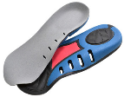
03130 | 041468031304 | M 11, W 12.5 |  | $12.00 | $4.50 |  | $-
03131 | 041468031311 | M 12 |  | $12.00 | $4.50 |  | $-
03132 | 041468031328 | M 13 |  | $12.00 | $4.50 |  | $-
03133 | 041468031335 | M 14 |  | $12.00 | $4.50 |  | $-
Air 2
 |  |  |  |  | Unit | Units
Item # | UPC | Size |  | MSRP | Cost | Ord'd | Total
18153 | 041468181535 | A | Trim to Fit M 4.5-8.5/ W 6-10/ Kids 3.5-7 | $20.00 | $9.00 |  | $- | Air 2
18154 | 041468181542 | B | Trim to Fit M 9-13 | $20.00 | $9.00 |  | $-
Supportive Cushion Insoles
Super Light®
 |  |  |  |  | Unit | Units
Item # | UPC |  | Size | MSRP | Cost | Ord'd | Total
05035 | 041468050350 | A | M3.5 - 5, W 5 - 6.5 | $30.00 | $12.00 |  | $-
05036 | 041468050367 | B | M 5.5 - 7, W 7 - 8.5 | $30.00 | $12.00 |  | $-
05038 | 041468050381 | C | M 7.5 - 9, W 9 - 10.5 | $30.00 | $12.00 |  | $- | Super
05040 | 041468050404 | D | M 9.5 - 11, W 11 - 12.5 | $30.00 | $12.00 |  | $- | Light®
05041 | 041468050411 | E | M 11.5 - 13 | $30.00 | $12.00 |  | $-
Hexagel
 |  |  |  |  | Unit | Units
Item # | UPC | Size |  | MSRP | Cost | Ord'd | Total
18156 | 041468181566 | Trim to Fit M 4.5-8.5/W 6-10 |  | $21.00 | $8.40 |  | $-
18157 | 041468181573 | Trim to Fit M 9-13 |  | $21.00 | $8.40 |  | $-
 |  | TOTALS THIS PAGE: |  |  |  | 0 | $- | Hexagel
10-Seconds® Insoles Provide Top Performance at an Affordable Price!

 |  |  |  |  |  |  |  |  | 1

First Aid, Gear Bombs
First Aid, Gear Bombs & More

Check Out our Shoe Care Recovery Kit! Cleaner, Water Repellent & Disinfectant/Deodorizer!
10 Seconds® Ball of Foot Pads
 |  |  |  |  | Unit | Units | Total
Item# | UPC # | Size/Units per Case |  | MSRP | Cost | Ordered | Cost
18152 | 041468181528 | One Size Fits All/Open Stock |  | $7.50 | $3.25 |  | $-
 |  |  |  |  | Unit | Units | Total
Item# | UPC # | Size/Units per Case |  | MSRP | Cost | Ordered | Cost
10 Seconds® Heel Liners
 |  |  |  |  | Unit | Units | Total
Item# | UPC # | Size/Units per Case |  | MSRP | Cost | Ordered | Cost
28107 | 041468281075 | One Size Fits All/Open Stock |  | $5.99 | $2.50 |  | $-
10 Seconds® Gel Heel Cups
 |  |  |  |  | Unit | Units | Total
Item# | UPC # | Size/Units per Case |  | MSRP | Cost | Ordered | Cost
18140 | 041468181405 | Medium/Open Stock |  | $12.00 | $5.00 |  | $-
18150 | 041468181504 | Large/Open Stock |  | $12.00 | $5.00 |  | $-
Improved! 10 Seconds® Disinfectant/Deodorizer
Kills Bacteria & the MRSA Virus!
Now Also Available in 12-piece Corrugated Counter Display
 |  |  |  |  | Unit | Units | Total
Item# | UPC | Size/Units per Case |  | MSRP | Cost | Ordered | Cost
97597 | 041468975974 | 5 oz./12-Piece Counter Display |  | $9.00 | $51.00 |  | $-
03003 | 041468030031 | 5 oz./12 per case |  | $9.00 | $4.00 |  | $-
10-Seconds®
Featured Products!
 |  | Size/Units |  |  | Unit | Units | Total
Item # | UPC # | per case | Description | MSRP | Cost | Ordered | Cost
03003 | 041468030031 | 5 oz./12 | Disinfectant/Deodorizer | $9.00 | $4.00 |  | $-
06013 | 041468060137 | 18 oz./12 | 10-Sec Double Clean Det. | $9.95 | $4.50 |  | $-
97795 | 041468997952 | Assort/6 | Shoe Care Recovery Kit | $16.99 | $9.00 |  | $-
97796 | 041468977969 | 4.0 oz./6 | Gel Cleaner/Deodorizer | $4.99 | $2.25 |  | $-
10-Seconds® Disposable Socks
 |  | Units |  |  | Cost | Boxes | Total
Item # | UPC # | per Box | Description | MSRP | per Box | Ordered | Cost
11330 | NA | 144 | Disposable Socks - 144/per box` | NA | $6.00 |  | $-
10-Seconds® Gear Bombs - Packaged in Clam Shell
 |  | Units |  |  | Unit | Units | Total
Item # | UPC # | per Case | Description | MSRP | Cost | Ordered | Cost
97743 | 041468997435 | 6 | Basketball | $5.99 | $2.50 |  | $-
97744 | 041468997442 | 6 | Soccer | $5.99 | $2.50 |  | $-
97746 | 041468977466 | 6 | Smiley | $5.99 | $2.50 |  | $-
97747 | 041468977473 | 6 | Stars & Stripes | $5.99 | $2.50 |  | $-
97749 | 041468977497 | 6 | Pink Ribbon | $5.99 | $2.50 |  | $-
97751 | 041468977510 | 6 | 10-Seconds | $5.99 | $2.50 |  | $-
97748 | 041468977480 | 6 | Hypnotic- Assorted 2 ea. Blue, | $5.99 | $2.50 |  | $-
 |  |  | Red, Silver
97745 | 041468977459 | 6 | NEON Hypnotic - Asst. 2 each | $5.99 | $2.50 |  | $-
 |  |  | Neon Blue, N. Yellow, N. Pink
 |  | TOTALS THIS PAGE: |  |  |  | 0 | $-
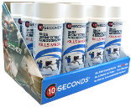

 |  |  |  |  | NEW Gear Bombs
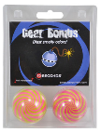
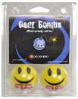
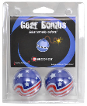
 |  |  |  |  | Basketball & Soccer
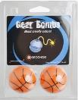
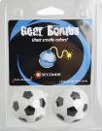

Disinfectant/Deodorizer
12-Piece Counter Display
 |  |  |  |  |  |  | 3

New Products
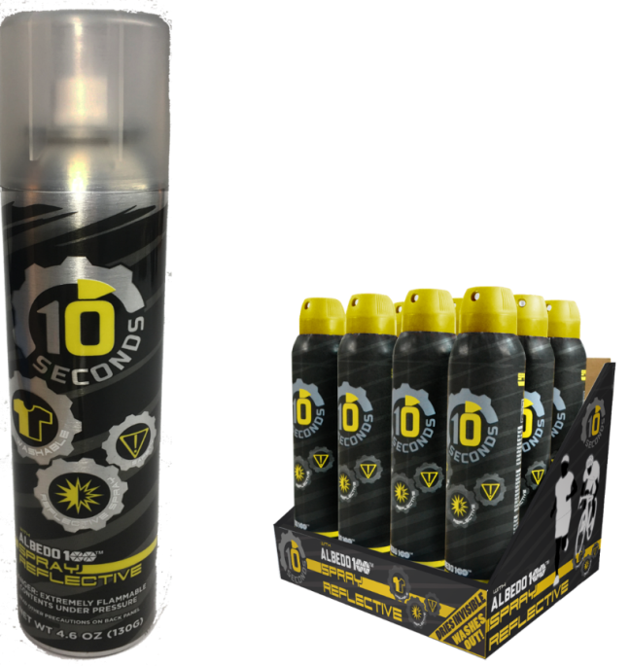
2018 - New Products

Washable Spray Reflective with Display Tray

 |  |  | Display Tray - 12 Ea.

Item # | UPC | Description | Size | Case Pack | MSRP | Unit Cost | Units Ordered | Total
97776 | 041468977763 | Spray Reflective | 4.6 oz. | 12 | $18.99 | $7.75 |  | $-

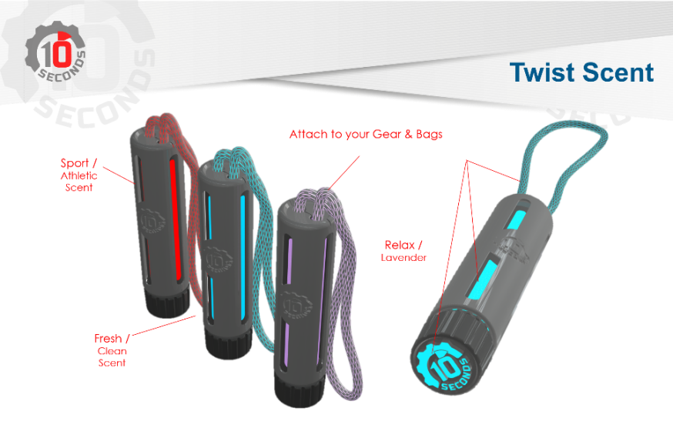
Twist Scent
Gear & Bag
Refresher

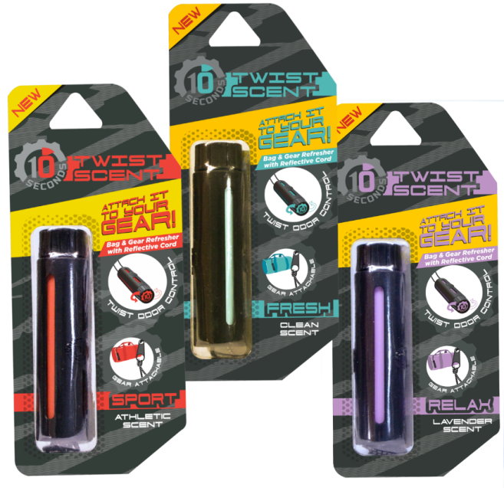

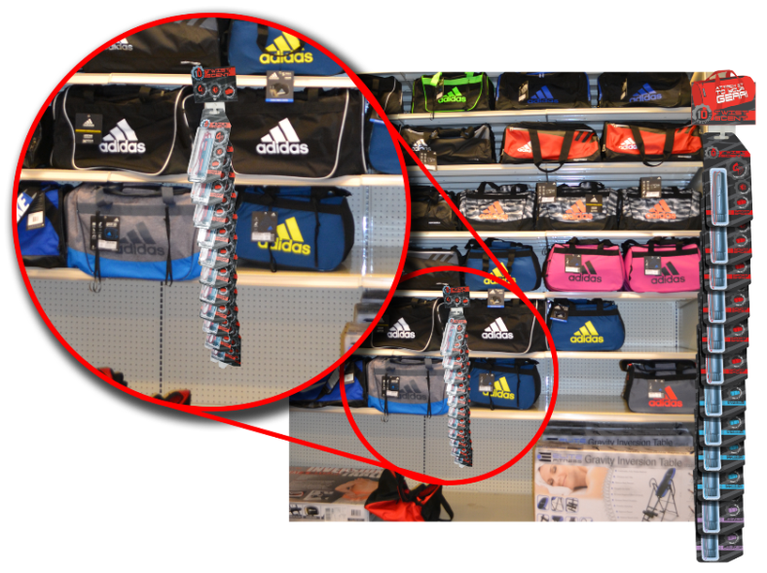

Item # | UPC | Type Scent |  | Case Pack | MSRP | Unit Cost | Units Ordered | Total
97733 | 041468977336 | Sport Athletic Scent |  | 6 | $6.99 | $2.79 |  | $-
97734 | 041468977343 | Fresh Clean Scent |  | 6 | $6.99 | $2.79 |  | $-
97735 | 041468977350 | Relax Lavender Scent |  | 6 | $6.99 | $2.79 |  | $-
 |  |  |  |  | Page Totals |  | 0 | $-
 |  |  |  |  |  |  |  | 4

Shoecare,Cleats,Lace Latches
ACCESSORIES |  |  |  |  |  |  |  |  | CLEANERS, PROTECTORS, & VALUE PACKS
Item No. | UPC | Description | Size | Units Case | MSRP | Unit Cost | Units Ord'd | Total | Item No. | UPC | Description | Size | Units Case | MSRP | Unit Cost | Units Ord'd | Total
03003 | 041468030031 | Shoe Disinfectant/Deodor. | 5 oz. | 12 | $9.99 | $4.00 |  | $0.00 | 97790 | 041468977909 | Shoe Cleaner Aerosol | 11 oz. | 6 | $6.00 | $2.75 |  | $0.00
04001 | 041468040016 | Shoe GOO - Clear | 3.7 oz. | 12 | $6.00 | $3.50 |  | $0.00 | 97791 | 041468977916 | Water Repellent Aerosol | 8 oz. | 6 | $6.00 | $2.75 |  | $0.00
04004 | 041468040047 | Shoe GOO - Black | 3.7 oz. | 6 | $6.00 | $4.00 |  | $0.00 | 97792 | 041468977923 | Suede Cleaner Aerosol | 5.5 oz. | 6 | $6.00 | $2.75 |  | $0.00
06013 | 041468060137 | TS DOUBLE CLEAN | 18 fl.oz. | 12 | $9.95 | $4.50 |  | $0.00 | 97793 | 041468977930 | Value Pak-Cleaner/Water Repel |  | 6 | $11.00 | $5.50 |  | $0.00
97550 | 041468975509 | Suede Kit (Bar & Brush) |  | 6 | $5.50 | $2.25 |  | $0.00 | 97794 | 041468977947 | Value Pak- Suede/Water Repel. |  | 6 | $11.00 | $5.50 |  | $0.00
97557 | 041468975578 | Shine Sponge- Neutral |  | 12 | $4.00 | $1.95 |  | $0.00 | 97795 | 041468977954 | Shoe Care Recovery Kit | 3 pack | 6 | $16.99 | $9.00 |  | $0.00
97560 | 041468975608 | Liquid Polish - Black | 3.0 oz. | 6 | $4.50 | $2.25 |  | $0.00 | 97796 | 041468977961 | Gel Cleaner/Deodorizer | 4.0 oz. | 6 | $4.99 | $2.25 |  | $0.00
97561 | 041468975615 | Liquid Polish - White | 3.0 oz. | 6 | $4.50 | $2.25 |  | $0.00 | ADJUSTABLE HEEL LIFTS
97574 | 041468975745 | Hikers Mink Oil Lotion | 8.0 oz. | 12 | $5.00 | $1.95 |  | $0.00 | 81075 | 041468810756 | Adjustable Heel Lifts | S | 1 | 14.99 | $6.20 |  | $0.00
97576 | 041468975769 | Hikers Leather Conditioner | 8.0 oz. | 6 | $5.00 | $1.95 |  | $0.00 | 81076 | 041468810763 | Adjustable Heel Lifts | M | 1 | 14.99 | $6.20 |  | $0.00
97602 | 041468976025 | Hikers Water Repellent | 8.0 oz. | 6 | $6.00 | $2.50 |  | $0.00 | 81077 | 041468810770 | Adjustable Heel Lifts | L | 1 | 14.99 | $6.20 |  | $0.00

Cleats and Spikes- Packaged & Bulk!
TRACK SPIKES - 14 per pkg. |  |  |  |  |  |  |  |  | FOOTBALL CLEATS - 14 per pkg.
Item No. | UPC | Description | Size | Units Case | MSRP | Unit Cost | Units Ord'd | Total | Item No. | UPC | Description | Size | Units Case | MSRP | Unit Cost | Units Ord'd | Total
04035 | 041468040351 | 1/8" (3mm) Needle |  | 6 | $5.00 | $2.25 |  | $0.00 | 04031 | 041468040313 | Black 1/2" |  | 6 | $5.00 | $2.50 |  | $0.00
04036 | 041468040368 | 3/16" (5mm) Needle |  | 6 | $5.00 | $2.25 |  | $0.00 | 90010 | 041468900105 | Black/White 1/2" |  | 6 | $5.00 | $2.50 |  | $0.00
04037 | 041468040375 | 1/4" (6mm) Needle |  | 6 | $5.00 | $2.25 |  | $0.00 | 90001 | 041468900013 | Black 3/4" |  | 6 | $5.00 | $2.50 |  | $0.00
04038 | 041468040382 | 3/8" (9mm) Needle |  | 6 | $5.00 | $2.25 |  | $0.00 | 90008 | 041468900082 | Black 1/2" Steel-tipped |  | 6 | $5.00 | $2.50 |  | $0.00
04039 | 041468040399 | 1/8" (3mm) Pyramid |  | 6 | $5.00 | $2.25 |  | $0.00 | SOCCER CLEATS - 14 per pkg.
04040 | 041468040405 | 3/16" (5mm) Pyramid |  | 6 | $5.00 | $2.25 |  | $0.00 | 04032 | 041468040320 | Black 1/2" & 5/8" |  | 6 | $5.00 | $2.50 |  | $0.00
04041 | 041468040412 | 1/4" (6mm) Pyramid |  | 6 | $5.00 | $2.25 |  | $0.00 | 04047 | 041468040474 | White/Black 1/2" & 5/8" |  | 6 | $5.00 | $2.50 |  | $0.00
04043 | 041468040436 | 3/8" (9mm) Pyramid |  | 6 | $5.00 | $2.25 |  | $0.00 | 90012 | 041468900129 | Aluminum Tip 1/2" & 5/8" |  | 6 | $5.00 | $2.50 |  | $0.00
04044 | 041468040443 | 1/2" (13mm) Pyramid |  | 6 | $5.00 | $2.25 |  | $0.00
04045 | 041468040450 | 5/8" (15mm) Pyramid |  | 6 | $5.00 | $2.25 |  | $0.00
04046 | 041468040467 | Blank |  | 6 | $5.00 | $2.25 |  | $0.00
BULK CLEATS & SPIKES! 100 PER BAG
Item No. |  | Description | Size | Units Case | MSRP | Unit Cost | Units Ord'd | Total | Item No. | UPC | Description | Size | Units Case | MSRP | Unit Cost | Units Ord'd | Total
040315 |  | Football Cleats, Black, 1/2" |  | 1 bag |  | $13.00 |  | $0.00 | 040355 |  | Track Spikes, 1/8" Needle |  | 1 bag |  | $12.00 |  | $0.00
900085 |  | Football Cleats, Blk, Steel Tip, 1/2" |  | 1 bag |  | $13.00 |  | $0.00 | 040365 |  | Track Spikes, 3/16" Needle |  | 1 bag |  | $12.00 |  | $0.00
900005 |  | Football Cleats, Black, 5/8" |  | 1 bag |  | $13.00 |  | $0.00 | 040375 |  | Track Spikes, 1/4" Needle |  | 1 bag |  | $12.00 |  | $0.00
900015 |  | Football Cleats, Black, 3/4" |  | 1 bag |  | $13.00 |  | $0.00 | 040385 |  | Track Spikes, 3/8" Needle |  | 1 bag |  | $12.00 |  | $0.00
900175 |  | Football Cleats, White, 3/4" |  | 1 bag |  | $13.00 |  | $0.00 | 040395 |  | Track Spikes, 1/8" Pyramid |  | 1 bag |  | $13.00 |  | $0.00
900025 |  | Soccer Cleats, Black, 1/2" |  | 1 bag |  | $13.00 |  | $0.00 | 040405 |  | Track Spikes, 3/16" Pyramid |  | 1 bag |  | $13.00 |  | $0.00
900065 |  | Soccer Cleats, Black & White, 1/2" |  | 1 bag |  | $13.00 |  | $0.00 | 040415 |  | Track Spikes, 1/4" Pyramid |  | 1 bag |  | $13.00 |  | $0.00
900145 |  | Soccer Cleats, Aluminum. Tip, 1/2" |  | 1 bag |  | $13.00 |  | $0.00 | 040435 |  | Track Spikes, 3/8" Pyramid |  | 1 bag |  | $13.00 |  | $0.00
900035 |  | Soccer Cleats, Black 5/8" |  | 1 bag |  | $13.00 |  | $0.00 | 040445 |  | Track Spikes, 1/2" Pyramid |  | 1 bag |  | $13.00 |  | $0.00
900075 |  | Soccer Cleats, Black & White, 5/8" |  | 1 bag |  | $13.00 |  | $0.00 | 040455 |  | Track Spikes, 5/8" Pyramid |  | 1 bag |  | $13.00 |  | $0.00
900155 |  | Soccer Cleats, Aluminum. Tip, 5/8" |  | 1 bag |  | $13.00 |  | $0.00 | 040465 |  | Track Spikes, Blanks |  | 1 bag |  | $13.00 |  | $0.00
 |  |  |  |  |  |  |  |  | 90004 | 041468900044 | MaxPro Racheting Track Wrench |  | 1 bag |  | $6.50 |  | $0.00
 |  |  |  |  |  |  |  |  | 90005 | 041468900051 | Track Wrench Bit |  | 1 bag |  | $2.00 |  | $0.00
 |  |  |  |  |  |  |  |  | 900160 |  | Metal Bar Track Spike Wrench |  | 1 bag |  | $0.40 |  | $0.00

 |  |  |  |  |  |  |  |  |  |  |  |  |  | Adjustable Heel Lifts
10-Seconds Lace Latches
Item #99734 - Pre-filled Fish Bowl
600 Assorted Lace Latches with Bowl

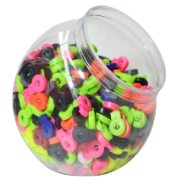
 |  |  |  | Colors |  |  | Qty. Ea.
 |  |  |  | Black |  |  | 100 |  |  |  | Description |  |  |  | Unit | Units
 |  |  |  | White |  |  | 100 |  | Item # | UPC |  |  | Units | Color | Cost | Ord'd | Total | 977
 |  | ` |  | Grey |  |  | 100 |  | 99734 |  | Assorted 600-Pc. Pre-Filled Fish Bowl |  | Ea. | Asst. | $60.00 |  | $0.00
 |  |  |  | Royal Blue |  |  | 50 |  | 8228 |  | Bulk - 50 Count Bag |  | Ea. | Black | $5.00 |  | $0.00
 |  |  |  | Red |  |  | 50 |  | 8227 |  | Bulk - 50 Count Bag |  | Ea. | White | $5.00 |  | $0.00
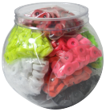
 |  |  |  | Neon Yellow |  |  | 50 |  | 8226 |  | Bulk - 50 Count Bag |  | Ea. | Grey | $5.00 |  | $0.00
 |  |  |  | Neon Orange |  |  | 50 |  | 8225 |  | Bulk - 50 Count Bag |  | Ea. | Royal Blue | $5.00 |  | $0.00
 |  |  |  | Neon Pink |  |  | 50 |  | 8230 |  | Bulk - 50 Count Bag |  | Ea. | Red | $5.00 |  | $0.00
 |  |  |  | Neon Green |  |  | 50 |  | 8231 |  | Bulk - 50 Count Bag |  | Ea. | N. Yellow | $5.00 |  | $0.00
 |  |  |  |  |  |  |  |  | 8232 |  | Bulk - 50 Count Bag |  | Ea. | N. Orange | $5.00 |  | $0.00
 |  |  |  |  |  |  |  |  | 8234 |  | Bulk - 50 Count Bag |  | Ea. | N. Pink | $5.00 |  | $0.00
 |  |  |  |  |  |  |  |  | 8236 |  | Bulk - 50 Count Bag |  | Ea. | N. Green | $5.00 |  | $0.00
 |  |  |  |  |  |  |  |  | 5076 |  | Fish Bowl - Empty |  | Ea. | Clear | $2.00 |  | $0.00
 |  |  |  |  |  |  |  |  |  |  |  |  | Page Totals |  |  | 0 | $0.00

 |  |  |  |  |  |  |  |  |  |  |  |  |  |  |  |  | 5

Honeycomb,Herrbone, Houndstooth
NEW!
NEW SHOELACE STYLES
Item No. | UPC | Color | Size | Units Case | MSRP | Unit Cost | Units Ord'd | Total | Item No. | UPC | Color | Size | Units Case | MSRP | Unit Cost | Units Ord'd | Total
HONEYCOMB- Athletic Specialty Lace
16500 | 041468165009 | Neon Yellow/Neon Pink | 36 | 6 | $3.99 | $1.10 |  | $0.00 | 16533 | 041468165337 | Red/Silver | 54 | 6 | $3.99 | $1.10 |  | $0.00
16502 | 041468165023 | Neon Yellow/Neon Pink | 45 | 6 | $3.99 | $1.10 |  | $0.00 | 16534 | 041468165344 | Red/Silver | 63 | 6 | $3.99 | $1.10 |  | $0.00
16503 | 041468165030 | Neon Yellow/Neon Pink | 54 | 6 | $3.99 | $1.10 |  | $0.00 | 16535 | 041468165351 | Ivory/Sinatra Sand | 36 | 6 | $3.99 | $1.10 |  | $0.00
16504 | 041468165047 | Neon Yellow/Neon Pink | 63 | 6 | $3.99 | $1.10 |  | $0.00 | 16537 | 041468165375 | Ivory/Sinatra Sand | 45 | 6 | $3.99 | $1.10 |  | $0.00
16505 | 041468165054 | Sky Grey/Black | 36 | 6 | $3.99 | $1.10 |  | $0.00 | 16538 | 041468165382 | Ivory/Sinatra Sand | 54 | 6 | $3.99 | $1.10 |  | $0.00
16507 | 041468165078 | Sky Grey/Black | 45 | 6 | $3.99 | $1.10 |  | $0.00 | 16539 | 041468165399 | Ivory/Sinatra Sand | 63 | 6 | $3.99 | $1.10 |  | $0.00
16508 | 041468165085 | Sky Grey/Black | 54 | 6 | $3.99 | $1.10 |  | $0.00 | 16540 | 041468165405 | Silver/White | 36 | 6 | $3.99 | $1.10 |  | $0.00
16509 | 041468165092 | Sky Grey/Black | 63 | 6 | $3.99 | $1.10 |  | $0.00 | 16542 | 041468165429 | Silver/White | 45 | 6 | $3.99 | $1.10 |  | $0.00
16510 | 041468165108 | White/Black | 36 | 6 | $3.99 | $1.10 |  | $0.00 | 16543 | 041468165436 | Silver/White | 54 | 6 | $3.99 | $1.10 |  | $0.00
16512 | 041468165122 | White/Black | 45 | 6 | $3.99 | $1.10 |  | $0.00 | 16544 | 041468165443 | Silver/White | 63 | 6 | $3.99 | $1.10 |  | $0.00
16513 | 041468165139 | White/Black | 54 | 6 | $3.99 | $1.10 |  | $0.00 | 16545 | 041468165450 | Electric Fuchsia/Black | 36 | 6 | $3.99 | $1.10 |  | $0.00
16514 | 041468165146 | White/Black | 63 | 6 | $3.99 | $1.10 |  | $0.00 | 16547 | 041468165474 | Electric Fuchsia/Black | 45 | 6 | $3.99 | $1.10 |  | $0.00
16515 | 041468165153 | White/Neon Blue | 36 | 6 | $3.99 | $1.10 |  | $0.00 | 16548 | 041468165481 | Electric Fuchsia/Black | 54 | 6 | $3.99 | $1.10 |  | $0.00
16517 | 041468165177 | White/Neon Blue | 45 | 6 | $3.99 | $1.10 |  | $0.00 | 16549 | 041468165498 | Electric Fuchsia/Black | 63 | 6 | $3.99 | $1.10 |  | $0.00
16518 | 041468165184 | White/Neon Blue | 54 | 6 | $3.99 | $1.10 |  | $0.00 | 16550 | 041468165504 | Hot Red/Canary Yellow | 36 | 6 | $3.99 | $1.10 |  | $0.00
16519 | 041468165191 | White/Neon Blue | 63 | 6 | $3.99 | $1.10 |  | $0.00 | 16552 | 041468165528 | Hot Red/Canary Yellow | 45 | 6 | $3.99 | $1.10 |  | $0.00
16520 | 041468165207 | White/Purple | 36 | 6 | $3.99 | $1.10 |  | $0.00 | 16553 | 041468165535 | Hot Red/Canary Yellow | 54 | 6 | $3.99 | $1.10 |  | $0.00
16522 | 041468165221 | White/Purple | 45 | 6 | $3.99 | $1.10 |  | $0.00 | 16554 | 041468165542 | Hot Red/Canary Yellow | 63 | 6 | $3.99 | $1.10 |  | $0.00
16523 | 041468165238 | White/Purple | 54 | 6 | $3.99 | $1.10 |  | $0.00 | 16555 | 041468165559 | Royal/Black | 36 | 6 | $3.99 | $1.10 |  | $0.00
16524 | 041468165245 | White/Purple | 63 | 6 | $3.99 | $1.10 |  | $0.00 | 16557 | 041468165573 | Royal/Black | 45 | 6 | $3.99 | $1.10 |  | $0.00
16525 | 041468165252 | Neon Yellow/Electric Fuchsia | 36 | 6 | $3.99 | $1.10 |  | $0.00 | 16558 | 041468165580 | Royal/Black | 54 | 6 | $3.99 | $1.10 |  | $0.00
16527 | 041468165276 | Neon Yellow/Electric Fuchsia | 45 | 6 | $3.99 | $1.10 |  | $0.00 | 16559 | 041468165597 | Royal/Black | 63 | 6 | $3.99 | $1.10 |  | $0.00
16528 | 041468165283 | Neon Yellow/Electric Fuchsia | 54 | 6 | $3.99 | $1.10 |  | $0.00 | 16560 | 041468165603 | Chocolate/Vegas Gold | 36 | 6 | $3.99 | $1.10 |  | $0.00
16529 | 041468165290 | Neon Yellow/Electric Fuchsia | 63 | 6 | $3.99 | $1.10 |  | $0.00 | 16562 | 041468165627 | Chocolate/Vegas Gold | 45 | 6 | $3.99 | $1.10 |  | $0.00
16530 | 041468165306 | Red/Silver | 36 | 6 | $3.99 | $1.10 |  | $0.00 | 16563 | 041468165634 | Chocolate/Vegas Gold | 54 | 6 | $3.99 | $1.10 |  | $0.00
16532 | 041468165320 | Red/Silver | 45 | 6 | $3.99 | $1.10 |  | $0.00 | 16564 | 041468165641 | Chocolate/Vegas Gold | 63 | 6 | $3.99 | $1.10 |  | $0.00
Item No. | UPC | Color | Size | Units Case | MSRP | Unit Cost | Units Ord'd | Total | Item No. | UPC | Color | Size | Units Case | MSRP | Unit Cost | Units Ord'd | Total
HONEYCOMB REFLECTIVE- Athletic Specialty Lace
16565 | 041468165658 | Hot Red with Reflective | 45 | 6 | $7.25 | $3.00 |  | $0.00 | 16568 | 041468616569 | White with Reflective | 54 | 6 | $7.25 | $3.00 |  | $0.00
16566 | 041468165665 | Hot Red with Reflective | 54 | 6 | $7.25 | $3.00 |  | $0.00 | 16569 | 041468165696 | Black with Reflective | 45 | 6 | $7.25 | $3.00 |  | $0.00
16567 | 041468165672 | White with Reflective | 45 | 6 | $7.25 | $3.00 |  | $0.00 | 16570 | 041468165702 | Black with Reflective | 54 | 6 | $7.25 | $3.00 |  | $0.00
Item No. | UPC | Color | Size | Units Case | MSRP | Unit Cost | Units Ord'd | Total | Item No. | UPC | Color | Size | Units Case | MSRP | Unit Cost | Units Ord'd | Total
HERRINGBONE - Children's Laces
16601 | 041468166013 | Hot Red/Silver | 36 | 6 | $3.99 | $1.10 |  | $0.00 | 16611 | 041468166112 | Teal/White | 45 | 6 | $3.99 | $1.10 |  | $0.00
16602 | 041468166020 | Hot Red/Silver | 45 | 6 | $3.99 | $1.10 |  | $0.00 | 16613 | 041468166136 | Electric Fuchsia/White | 36 | 6 | $3.99 | $1.10 |  | $0.00
16604 | 041468166044 | Neon Green/White | 36 | 6 | $3.99 | $1.10 |  | $0.00 | 16614 | 041468166143 | Eledtric Fuchsia/White | 45 | 6 | $3.99 | $1.10 |  | $0.00
16605 | 041468166051 | Neon Green/White | 45 | 6 | $3.99 | $1.10 |  | $0.00 | 16616 | 041468166167 | Red/White | 36 | 6 | $3.99 | $1.10 |  | $0.00
16607 | 041468166075 | Sinatra Sand/White | 36 | 6 | $3.99 | $1.10 |  | $0.00 | 16617 | 041468166174 | Red/White | 45 | 6 | $3.99 | $1.10 |  | $0.00
16608 | 041468166082 | Sinatra Sand/White | 45 | 6 | $3.99 | $1.10 |  | $0.00 | 16619 | 041468166198 | Navy/White | 36 | 6 | $3.99 | $1.10 |  | $0.00
16610 | 041468166105 | Teal/White | 36 | 6 | $3.99 | $1.10 |  | $0.00 | 16620 | 041468166204 | Navy/White | 45 | 6 | $3.99 | $1.10 |  | $0.00
Item No. | UPC | Color | Size | Units Case | MSRP | Unit Cost | Units Ord'd | Total | Item No. | UPC | Color | Size | Units Case | MSRP | Unit Cost | Units Ord'd | Total
HOUNDSTOOTH - Hiker Lace
16700 | 041468167003 | Neon Blue/White | 45 | 6 | $3.99 | $1.10 |  | $0.00 | 16720 | 041468167201 | Chocolate/Dark Tan | 45 | 6 | $3.99 | $1.10 |  | $0.00
16701 | 041468167010 | Neon Blue/White | 54 | 6 | $3.99 | $1.10 |  | $0.00 | 16721 | 041468167218 | Chocolate/Dark Tan | 54 | 6 | $3.99 | $1.10 |  | $0.00
16703 | 041468167034 | Neon Blue/White | 63 | 6 | $3.99 | $1.10 |  | $0.00 | 16739 | 041468167393 | Chocolate/Dark Tan | 63 | 6 | $3.99 | $1.10 |  | $0.00
16704 | 041468167041 | Hot Red/White | 45 | 6 | $3.99 | $1.10 |  | $0.00 | 16722 | 041468167225 | Black/White/3M Reflective | 45 | 6 | $4.99 | $1.80 |  | $0.00
16705 | 041468167058 | Hot Red/White | 54 | 6 | $3.99 | $1.10 |  | $0.00 | 16723 | 041468167232 | Black/White/3M Reflective | 54 | 6 | $4.99 | $1.80 |  | $0.00
16707 | 041468167072 | Hot Red/White | 63 | 6 | $3.99 | $1.10 |  | $0.00 | 16725 | 041468167256 | Black/White/3M Reflective | 63 | 6 | $4.99 | $1.80 |  | $0.00
16708 | 041468167089 | Vegas Gold/White | 45 | 6 | $3.99 | $1.10 |  | $0.00 | 16726 | 041468167263 | Purple/Neon Pink | 45 | 6 | $3.99 | $1.10 |  | $0.00
16709 | 041468167096 | Vegas Gold/White | 54 | 6 | $3.99 | $1.10 |  | $0.00 | 16727 | 041468167270 | Purple/Neon Pink | 54 | 6 | $3.99 | $1.10 |  | $0.00
16711 | 041467167119 | Vegas Gold/White | 63 | 6 | $3.99 | $1.10 |  | $0.00 | 16729 | 041468167294 | Purple/Neon Pink | 63 | 6 | $3.99 | $1.10 |  | $0.00
16712 | 041468167126 | Carolina Blue/Ivory | 45 | 6 | $3.99 | $1.10 |  | $0.00 | 16730 | 041468167300 | Red/Canary Yellow | 45 | 6 | $3.99 | $1.10 |  | $0.00
16713 | 041468167133 | Carolina Blue/Ivory | 54 | 6 | $3.99 | $1.10 |  | $0.00 | 16731 | 041468167317 | Red/Canary Yellow | 54 | 6 | $3.99 | $1.10 |  | $0.00
16715 | 041468167157 | Carolina Blue/Ivory | 63 | 6 | $3.99 | $1.10 |  | $0.00 | 16733 | 041468167331 | Red/Canary Yellow | 63 | 6 | $3.99 | $1.10 |  | $0.00
16716 | 041468167164 | Neon Pink/Silver | 45 | 6 | $3.99 | $1.10 |  | $0.00 | 16734 | 041468167348 | Black/Purple | 45 | 6 | $3.99 | $1.10 |  | $0.00
16717 | 041468167171 | Neon Pink/Silver | 54 | 6 | $3.99 | $1.10 |  | $0.00 | 16735 | 041468167355 | Black/Purple | 54 | 6 | $3.99 | $1.10 |  | $0.00
16719 | 041468167195 | Neon Pink/Silver | 63 | 6 | $3.99 | $1.10 |  | $0.00 | 16737 | 041468167379 | Black/Purple | 63 | 6 | $3.99 | $1.10 |  | $0.00
 |  |  |  |  |  |  |  |  |  |  |  |  | PAGE TOTALS |  |  | 0 | $0.00
 |  |  |  |  | HONEYCOMB
 | HONEYCOMB |  |  |  | REFLECTIVE |  |  |  | HERRINGBONE |  |  | HOUNDSTOOTH
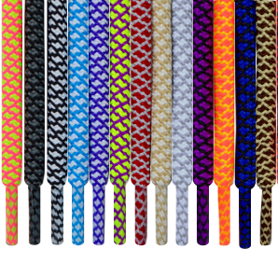
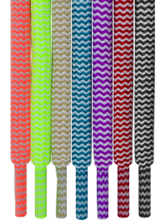
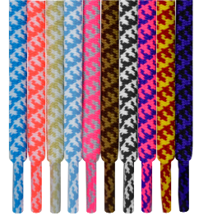

 |  |  |  |  |  |  |  |  |  |  |  |  |  |  |  |  | 6
Hickory Brands, Inc. Est. 1923
Hickory, NC 28601

Oval Laces HT
Oval Athletic Laces- Hangtag
Item No. | UPC | Color | Size | Units Case | MSRP | Unit Cost | Units Ord'd | Total | Item No. | UPC | Color | Size | Units Case | MSRP | Unit Cost | Units Ord'd | Total
31251 | 041468312519 | Black | 36 | 6 | $2.99 | $0.85 |  | $0.00 | 31542 | 041468315428 | Olivier Orange | 54 | 6 | $2.99 | $0.85 |  | $0.00
31451 | 041468314513 | Black | 45 | 6 | $2.99 | $0.85 |  | $0.00 | 31901 | 041468319013 | Olivier Orange | 63 | 6 | $2.99 | $0.85 |  | $0.00
31541 | 041468315411 | Black | 54 | 6 | $2.99 | $0.85 |  | $0.00 | 31254 | 041468312540 | Pink | 36 | 6 | $2.99 | $0.85 |  | $0.00
31661 | 041468316616 | Black | 63 | 6 | $2.99 | $0.85 |  | $0.00 | 31463 | 041468314636 | Pink | 45 | 6 | $2.99 | $0.85 |  | $0.00
39607 | 041468396076 | Brown | 36 | 6 | $2.99 | $0.85 |  | $0.00 | 31512 | 041468315121 | Pink | 54 | 6 | $2.99 | $0.85 |  | $0.00
39610 | 041468396106 | Brown | 45 | 6 | $2.99 | $0.85 |  | $0.00 | 31864 | 041468318641 | Pink | 63 | 6 | $2.99 | $0.85 |  | $0.00
39611 | 041468396113 | Brown | 54 | 6 | $2.99 | $0.85 |  | $0.00 | 31252 | 041468312526 | Red | 36 | 6 | $2.99 | $0.85 |  | $0.00
39612 | 041468396120 | Brown | 63 | 6 | $2.99 | $0.85 |  | $0.00 | 31468 | 041468314681 | Red | 45 | 6 | $2.99 | $0.85 |  | $0.00
31897 | 041468318979 | Carolina Blue | 36 | 6 | $2.99 | $0.85 |  | $0.00 | 31568 | 041468315688 | Red | 54 | 6 | $2.99 | $0.85 |  | $0.00
31455 | 041468314551 | Carolina Blue | 45 | 6 | $2.99 | $0.85 |  | $0.00 | 31902 | 041468319020 | Red | 63 | 6 | $2.99 | $0.85 |  | $0.00
31855 | 041468318559 | Carolina Blue | 54 | 6 | $2.99 | $0.85 |  | $0.00 | 31266 | 041468312663 | Royal | 36 | 6 | $2.99 | $0.85 |  | $0.00
31898 | 041468318986 | Carolina Blue | 63 | 6 | $2.99 | $0.85 |  | $0.00 | 31486 | 041468314865 | Royal | 45 | 6 | $2.99 | $0.85 |  | $0.00
31899 | 041468318993 | Kelly Green | 36 | 6 | $2.99 | $0.85 |  | $0.00 | 31829 | 041468318290 | Royal | 54 | 6 | $2.99 | $0.85 |  | $0.00
31462 | 041468314629 | Kelly Green | 45 | 6 | $2.99 | $0.85 |  | $0.00 | 31903 | 041468319037 | Royal | 63 | 6 | $2.99 | $0.85 |  | $0.00
31511 | 041468315114 | Kelly Green | 54 | 6 | $2.99 | $0.85 |  | $0.00 | 31256 | 041468312564 | Sky Grey | 36 | 6 | $2.99 | $0.85 |  | $0.00
31900 | 041468319006 | Kelly Green | 63 | 6 | $2.99 | $0.85 |  | $0.00 | 31460 | 041468314605 | Sky Grey | 45 | 6 | $2.99 | $0.85 |  | $0.00
31265 | 041468312656 | Navy | 36 | 6 | $2.99 | $0.85 |  | $0.00 | 31540 | 041468315404 | Sky Grey | 54 | 6 | $2.99 | $0.85 |  | $0.00
31465 | 041468314650 | Navy | 45 | 6 | $2.99 | $0.85 |  | $0.00 | 31693 | 041468316937 | Sky Grey | 63 | 6 | $2.99 | $0.85 |  | $0.00
31565 | 041468315657 | Navy | 54 | 6 | $2.99 | $0.85 |  | $0.00 | 31253 | 041468312533 | White | 36 | 6 | $2.99 | $0.85 |  | $0.00
31976 | 041468319761 | Navy | 63 | 6 | $2.99 | $0.85 |  | $0.00 | 31453 | 041468314537 | White | 45 | 6 | $2.99 | $0.85 |  | $0.00
31361 | 041468313615 | NB Grey | 36 | 6 | $2.99 | $0.85 |  | $0.00 | 31543 | 041468315435 | White | 54 | 6 | $2.99 | $0.85 |  | $0.00
31461 | 041468314612 | NB Grey | 45 | 6 | $2.99 | $0.85 |  | $0.00 | 31663 | 041468316630 | White | 63 | 6 | $2.99 | $0.85 |  | $0.00
31536 | 041468315367 | NB Grey | 54 | 6 | $2.99 | $0.85 |  | $0.00 | 31904 | 041468319044 | Yellow | 36 | 6 | $2.99 | $0.85 |  | $0.00
31675 | 041468316753 | NB Grey | 63 | 6 | $2.99 | $0.85 |  | $0.00 | 31514 | 041468315145 | Yellow | 45 | 6 | $2.99 | $0.85 |  | $0.00
31438 | 041468314384 | Olivier Orange | 36 | 6 | $2.99 | $0.85 |  | $0.00 | 31539 | 041468315398 | Yellow | 54 | 6 | $2.99 | $0.85 |  | $0.00
31490 | 041468314902 | Olivier Orange | 45 | 6 | $2.99 | $0.85 |  | $0.00 | 31905 | 041468319051 | Yellow | 63 | 6 | $2.99 | $0.85 |  | $0.00
N E O N Oval Athletic Laces - Hangtag
Item No. | UPC | Color | Size | Units Case | MSRP | Unit Cost | Units Ord'd | Total | Item No. | UPC | Color | Size | Units Case | MSRP | Unit Cost | Units Ord'd | Total
31874 | 041468318740 | Neon Blue | 36 | 6 | $2.99 | $0.85 |  | $0.00 | 31848 | 041468318481 | Neon Orange | 54 | 6 | $2.99 | $0.85 |  | $0.00
31482 | 041468314827 | Neon Blue | 45 | 6 | $2.99 | $0.85 |  | $0.00 | 31895 | 041468318955 | Neon Orange | 63 | 6 | $2.99 | $0.85 |  | $0.00
31846 | 041468318467 | Neon Blue | 54 | 6 | $2.99 | $0.85 |  | $0.00 | 31885 | 041468318856 | Neon Pink | 36 | 6 | $2.99 | $0.85 |  | $0.00
31893 | 041468318931 | Neon Blue | 63 | 6 | $2.99 | $0.85 |  | $0.00 | 31479 | 041468314797 | Neon Pink | 45 | 6 | $2.99 | $0.85 |  | $0.00
31883 | 041468318832 | Neon Green | 36 | 6 | $2.99 | $0.85 |  | $0.00 | 31849 | 041468318498 | Neon Pink | 54 | 6 | $2.99 | $0.85 |  | $0.00
31480 | 041468314803 | Neon Green | 45 | 6 | $2.99 | $0.85 |  | $0.00 | 31867 | 041468318672 | Neon Pink | 63 | 6 | $2.99 | $0.85 |  | $0.00
31847 | 041468318474 | Neon Green | 54 | 6 | $2.99 | $0.85 |  | $0.00 | 31886 | 041468318863 | Neon Yellow | 36 | 6 | $2.99 | $0.85 |  | $0.00
31894 | 041468318948 | Neon Green | 63 | 6 | $2.99 | $0.85 |  | $0.00 | 31481 | 041468314810 | Neon Yellow | 45 | 6 | $2.99 | $0.85 |  | $0.00
31884 | 041468318849 | Neon Orange | 36 | 6 | $2.99 | $0.85 |  | $0.00 | 31850 | 041468318504 | Neon Yellow | 54 | 6 | $2.99 | $0.85 |  | $0.00
31483 | 041468314834 | Neon Orange | 45 | 6 | $2.99 | $0.85 |  | $0.00 | 31896 | 041468318962 | Neon Yellow | 63 | 6 | $2.99 | $0.85 |  | $0.00
Oval Athletic Laces with N E O N Piping - Hangtag
Item No. | UPC | Color | Size | Units Case | MSRP | Unit Cost | Units Ord'd | Total | Item No. | UPC | Color | Size | Units Case | MSRP | Unit Cost | Units Ord'd | Total
31491 | 041468314919 | Blk w/N. Green Piping | 45 | 6 | $2.99 | $0.85 |  | $0.00 | 31497 | 041468314971 | Blk w/N.Orange Piping | 45 | 6 | $2.99 | $0.85 |  | $0.00
31492 | 041468314926 | Blk w/N. Green Piping | 54 | 6 | $2.99 | $0.85 |  | $0.00 | 31498 | 041468314988 | Blk w/N.Orange Piping | 54 | 6 | $2.99 | $0.85 |  | $0.00
31493 | 041468314933 | Blk w/N. Blue Piping | 45 | 6 | $2.99 | $0.85 |  | $0.00 | 31499 | 041468314995 | Blk w/N.Yellow Piping | 45 | 6 | $2.99 | $0.85 |  | $0.00
31494 | 041468314940 | Blk w/N. Blue Piping | 54 | 6 | $2.99 | $0.85 |  | $0.00 | 31500 | 041468315008 | Blk w/N.Yellow Piping | 54 | 6 | $2.99 | $0.85 |  | $0.00
31495 | 041468314957 | Blk w/N. Pink Piping | 45 | 6 | $2.99 | $0.85 |  | $0.00 | 31501 | 041468315015 | Blk w/N.Fuchsia Piping | 45 | 6 | $2.99 | $0.85 |  | $0.00
31496 | 041468314964 | Blk w/N. Pink Piping | 54 | 6 | $2.99 | $0.85 |  | $0.00 | 31504 | 041468315046 | Blk w/N. Fuchsia Piping | 54 | 6 | $2.99 | $0.85 |  | $0.00
31724 | 041468317248 | Grey w/N. Grn Piping | 45 | 6 | $2.99 | $0.85 |  | $0.00 | 31727 | 041468317279 | Grey w/N.Yellow Piping | 45 | 6 | $2.99 | $0.85 |  | $0.00
31852 | 041468318528 | Grey w/N. Grn Piping | 54 | 6 | $2.99 | $0.85 |  | $0.00 | 31871 | 041468318719 | Grey w/N.Yellow Piping | 54 | 6 | $2.99 | $0.85 |  | $0.00
31725 | 041468317255 | Grey w/N. Blue Piping | 45 | 6 | $2.99 | $0.85 |  | $0.00 | 31728 | 041468317286 | Grey w/N.Orange Piping | 45 | 6 | $2.99 | $0.85 |  | $0.00
31853 | 041468318535 | Grey w/N. Blue Piping | 54 | 6 | $2.99 | $0.85 |  | $0.00 | 31872 | 041468318726 | Grey w/N.Orange Piping | 54 | 6 | $2.99 | $0.85 |  | $0.00
31726 | 041468317262 | Grey w/N. Pink Piping | 45 | 6 | $2.99 | $0.85 |  | $0.00 | 31729 | 041468317293 | Grey w/N. Fuchsia Piping | 45 | 6 | $2.99 | $0.85 |  | $0.00
31854 | 041468318542 | Grey w/N. Pink Piping | 54 | 6 | $2.99 | $0.85 |  | $0.00 | 31873 | 041468318733 | Grey w/N. Fuchsia Piping | 54 | 6 | $2.99 | $0.85 |  | $0.00
NEW! Hi Vis Oval Reflective Laces - Hangtag
Item No. | UPC | Color | Size | Units Case | MSRP | Unit Cost | Units Ord'd | Total | Item No. | UPC | Color | Size | Units Case | MSRP | Unit Cost | Units Ord'd | Total
31208 | 041468312083 | Black w/Reflective Pipe | 45 | 6 | $3.99 | $1.25 |  | $0.00 | 31206 | 041468312069 | NB Grey w/Reflective Pipe | 45 | 6 | $3.99 | $1.25 |  | $0.00
31218 | 041468312182 | Black w/Reflective Pipe | 54 | 6 | $3.99 | $1.25 |  | $0.00 | 31216 | 041468312168 | NB Grey w/Reflective Pipe | 54 | 6 | $3.99 | $1.25 |  | $0.00
31202 | 041468312021 | Electric Greenw/Reflective Pipe | 45 | 6 | $3.99 | $1.25 |  | $0.00 | 31204 | 041468312045 | Navy w/Reflective Pipe | 45 | 6 | $3.99 | $1.25 |  | $0.00
31212 | 041468312120 | Electric Greenw/Reflective Pipe | 54 | 6 | $3.99 | $1.25 |  | $0.00 | 31214 | 041468312144 | Navy w/Reflective Pipe | 54 | 6 | $3.99 | $1.25 |  | $0.00 | `
31201 | 041468312014 | Fuchsia w/Reflective Pipe | 45 | 6 | $3.99 | $1.25 |  | $0.00 | 31203 | 041468312038 | Pastel Teal w/Reflective Pipe | 45 | 6 | $3.99 | $1.25 |  | $0.00
31211 | 041468312113 | Fuchsia w/Reflective Pipe | 54 | 6 | $3.99 | $1.25 |  | $0.00 | 31213 | 041468312137 | Pastel Teal w/Reflective Pipe | 54 | 6 | $3.99 | $1.25 |  | $0.00
31200 | 041468312007 | Hot Red w/Reflective Pipe | 45 | 6 | $3.99 | $1.25 |  | $0.00 | 31209 | 041468312090 | Red w/Reflective Pipe | 45 | 6 | $3.99 | $1.25 |  | $0.00
31210 | 041468312106 | Hot Red w/Reflective Pipe | 54 | 6 | $3.99 | $1.25 |  | $0.00 | 31219 | 041468312199 | Red w/Reflective Pipe | 54 | 6 | $3.99 | $1.25 |  | $0.00
31205 | 041468312052 | NeonYellow w/Reflective Pipe | 45 | 6 | $3.99 | $1.25 |  | $0.00 | 31207 | 041468312076 | White w/Reflective Pipe | 45 | 6 | $3.99 | $1.25 |  | $0.00
31215 | 041468312151 | NeonYellow w/Reflective Pipe | 54 | 6 | $3.99 | $1.25 |  | $0.00 | 31217 | 414768312175 | White w/Reflective Pipe | 54 | 6 | $3.99 | $1.25 |  | $0.00
 |  |  |  |  |  |  |  |  |  |  |  | Page Totals |  |  |  | 0 | $0.00
 | Oval | Neon Oval |  |  |  |  | Oval with Neon Piping |  |  |  | Hi Vis Oval Reflective
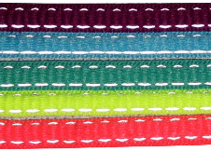

 |  |  |  |  |  |  |  |  |  |  |  |  |  |  |  |  | 7

3-8"Printed Laces
3/8" Printed Laces - Hangtag

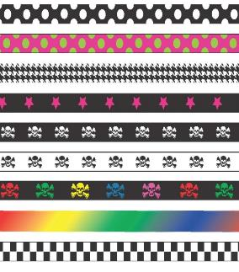
 |  |  |  | Units |  | Unit | Units
Item # | UPC | Description | Size | Case | MSRP | Cost | Ord. | Total | Designs
75607 | 041468756078 | Black/White Dot | 36 | 6 | $3.50 | $1.40 |  | $0.00
75608 | 041468756085 | Black/White Dot | 45 | 6 | $3.50 | $1.40 |  | $0.00
75585 | 041468755859 | Pink/Green Dot | 36 | 6 | $3.50 | $1.40 |  | $0.00
75586 | 041468755866 | Pink/Green Dot | 45 | 6 | $3.50 | $1.40 |  | $0.00
75604 | 041468756047 | Black/white Herringbone | 36 | 6 | $3.50 | $1.40 |  | $0.00
75605 | 041468756054 | Black/white Herringbone | 45 | 6 | $3.50 | $1.40 |  | $0.00
75573 | 041468755736 | Black/Pink Star | 36 | 6 | $3.50 | $1.40 |  | $0.00
75574 | 041468755743 | Black/Pink Star | 45 | 6 | $3.50 | $1.40 |  | $0.00
73689 | 041468736896 | Black w/White Skull & Bones | 36 | 6 | $3.50 | $1.40 |  | $0.00
73691 | 041468736919 | Black w/White Skull & Bones | 45 | 6 | $3.50 | $1.40 |  | $0.00
75579 | 041468755798 | White w/Black Skull & Bones | 36 | 6 | $3.50 | $1.40 |  | $0.00
75580 | 041468755804 | White w/Black Skull & Bones | 45 | 6 | $3.50 | $1.40 |  | $0.00
73669 | 041468736698 | Multi Skull & Bones | 36 | 6 | $3.50 | $1.40 |  | $0.00
73661 | 041468736612 | Multi Skull & Bones | 45 | 6 | $3.50 | $1.40 |  | $0.00
59540 | 041468595400 | Tie-Dyed Multi-Color | 36 | 6 | $2.99 | $1.40 |  | $0.00
59340 | 041468593406 | Tie-Dyed Multi-Color | 45 | 6 | $2.99 | $1.40 |  | $0.00
75609 | 041468756092 | Black/White Checkerboard | 36 | 6 | $3.50 | $1.40 |  | $0.00
75610 | 041468756108 | Black/White Checkerboard | 45 | 6 | $3.50 | $1.40 |  | $0.00
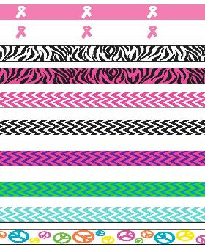
73541 | 041468735417 | Pink w/white Ribbon | 36 | 6 | $3.50 | $1.40 |  | $0.00
73551 | 041468735516 | Pink w/white Ribbon | 45 | 6 | $3.50 | $1.40 |  | $0.00
73540 | 041468735400 | White w/Pink Ribbon | 36 | 6 | $3.50 | $1.40 |  | $0.00
73550 | 041468735509 | White w/Pink Ribbon | 45 | 6 | $3.50 | $1.40 |  | $0.00
75602 | 041468756023 | Black/White Zebra | 36 | 6 | $3.50 | $1.40 |  | $0.00
75603 | 041468756030 | Black/White Zebra | 45 | 6 | $3.50 | $1.40 |  | $0.00
73690 | 004146873690 | Black/Pink Zebra | 36 | 6 | $3.50 | $1.40 |  | $0.00
73692 | 004146873692 | Black/Pink Zebra | 45 | 6 | $3.50 | $1.40 |  | $0.00
73673 | 041468736735 | White/Pink Chevron | 36 | 6 | $3.50 | $1.40 |  | $0.00
73665 | 041468736650 | White/Pink Chevron | 45 | 6 | $3.50 | $1.40 |  | $0.00
73674 | 041468736742 | White/Black Chevron | 36 | 6 | $3.50 | $1.40 |  | $0.00
73666 | 041468736667 | White/Black Chevron | 45 | 6 | $3.50 | $1.40 |  | $0.00
73670 | 041468736704 | Pink/Purple Chevron | 36 | 6 | $3.50 | $1.40 |  | $0.00
73662 | 041468736629 | Pink/Purple Chevron | 45 | 6 | $3.50 | $1.40 |  | $0.00
73671 | 041468736711 | Blue/Green Chevron | 36 | 6 | $3.50 | $1.40 |  | $0.00
73663 | 041468736636 | Blue/Green Chevron | 45 | 6 | $3.50 | $1.40 |  | $0.00
73672 | 041468736728 | White/Teal Chevron | 36 | 6 | $3.50 | $1.40 |  | $0.00
73664 | 041468736643 | White/Teal Chevron | 45 | 6 | $3.50 | $1.40 |  | $0.00
75587 | 041468755873 | White Peace Sign | 36 | 6 | $3.50 | $1.40 |  | $0.00
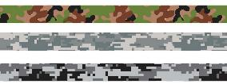
75588 | 041468755881 | White Peace Sign | 45 | 6 | $3.50 | $1.40 |  | $0.00
73681 | 041468736810 | Army Green Camo | 36 | 6 | $3.50 | $1.40 |  | $0.00
73685 | 041468736858 | Army Green Camo | 45 | 6 | $3.50 | $1.40 |  | $0.00
73675 | 041468736759 | Grey/Cool Grey/Grn Camo | 36 | 6 | $3.50 | $1.40 |  | $0.00
73667 | 041468736674 | Grey/Cool Grey/Grn Camo | 45 | 6 | $3.50 | $1.40 |  | $0.00
73676 | 041468736766 | Cool Grey/Black Camo | 36 | 6 | $3.50 | $1.40 |  | $0.00
73668 | 041468736681 | Cool Grey/Black Camo | 45 | 6 | $3.50 | $1.40 |  | $0.00
73684 | 041468736841 | Red/Blu Stripe w/White Stars | 36 | 6 | $3.50 | $1.40 |  | $0.00
73688 | 041468736889 | Red/Blu Stripe w/White Stars | 45 | 6 | $3.50 | $1.40 |  | $0.00
 |  | TOTALS THIS PAGE |  |  |  |  | 0 | $0.00

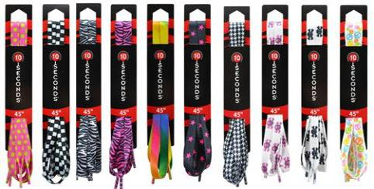

Printed Laces on Hangtags

 |  |  |  |  |  |  |  |  |  | 9

3-4" Printed Laces
3/4" Printed Laces - Hangtag

 |  |  |  |  | Units |  | Unit | Units
Print # | Item # | UPC | Description | Size | Case | MSRP | Cost | Ord. | Total
1 | 67828 | 041468678288 | Blk/Wht Skull & Bones | 45 | 6 | $3.50 | $1.40 |  | $0.00
 | 68052 | 041468680526 | Blk/Wht Skull & Bones | 54 | 6 | $3.50 | $1.40 |  | $0.00
2 | 67829 | 041468678295 | Blk/Wht Stripe Skull & Bones | 45 | 6 | $3.50 | $1.40 |  | $0.00
 | 68053 | 041468680533 | Blk/Wht Stripe Skull & Bones | 54 | 6 | $3.50 | $1.40 |  | $0.00
3 | 67830 | 041468678301 | Red Stars/Grey Bkgd | 45 | 6 | $3.50 | $1.40 |  | $0.00
 | 67889 | 041468678899 | Red Stars/Grey Bkgd | 54 | 6 | $3.50 | $1.40 |  | $0.00
4 | 67831 | 041468678318 | Red Flames/Blk Bkgd | 45 | 6 | $3.50 | $1.40 |  | $0.00
 | 68054 | 041468680540 | Red Flames/Blk Bkgd | 54 | 6 | $3.50 | $1.40 |  | $0.00
5 | 67832 | 041468678325 | Blk/Wht Checkerboard | 45 | 6 | $3.50 | $1.40 |  | $0.00
 | 67888 | 041468678882 | Blk/Wht Checkerboard | 54 | 6 | $3.50 | $1.40 |  | $0.00
6 | 67833 | 041468678332 | Pnk/Blk Checkerboard | 45 | 6 | $3.50 | $1.40 |  | $0.00
 | 67966 | 041468679667 | Pnk/Blk Checkerboard | 54 | 6 | $3.50 | $1.40 |  | $0.00
7 | 67834 | 041468678349 | Pink/Black Camo | 45 | 6 | $3.50 | $1.40 |  | $0.00
 | 67996 | 041468679964 | Pink/Black Camo | 54 | 6 | $3.50 | $1.40 |  | $0.00
8 | 67835 | 041468678356 | Army Green Camo | 45 | 6 | $3.50 | $1.40 |  | $0.00
 | 67997 | 041468679971 | Army Green Camo | 54 | 6 | $3.50 | $1.40 |  | $0.00
TOTALS THIS PAGE: |  |  |  |  |  |  |  | 0 | $0.00

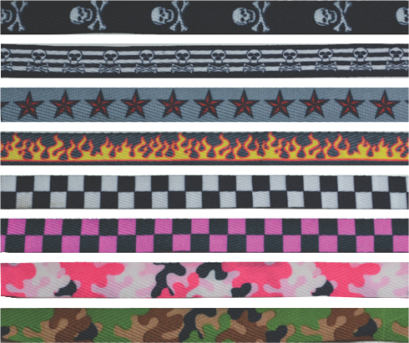
Print #
1

2

3

4

5

6

7

8

 |  |  |  |  |  |  |  |  | 10

Fash,Ref,Elastic,Stars&Stripes
Fashion and Specialty Laces- Hang Tag
Item No. | UPC | Color | Size | Units Case | MSRP | Unit Cost | Units Ord'd | Total | Item No. | UPC | Color | Size | Units Case | MSRP | Unit Cost | Units Ord'd | Total
Tie-Dyed Laces - Flat |  |  |  |  |  |  |  |  | Reflective Laces- Flat
59540 | 041468595400 | Multi-Colored | 36 | 6 | $2.99 | $1.40 |  | $0.00 | 52754 | 041468527548 | Black | 27 | 6 | $3.50 | $1.25 |  | $0.00
59340 | 041468593406 | Multi-Colored | 45 | 6 | $2.99 | $1.40 |  | $0.00 | 53654 | 041468536540 | Black | 36 | 6 | $3.50 | $1.25 |  | $0.00
59440 | 041468594403 | Multi-Colored | 54 | 6 | $2.99 | $1.40 |  | $0.00 | 54454 | 041468544545 | Black | 45 | 6 | $3.50 | $1.25 |  | $0.00
Sparkle Laces - Flat |  |  |  |  |  |  |  |  | 54544 | 041468545443 | Black | 54 | 6 | $3.50 | $1.25 |  | $0.00
59526 | 041468595264 | Black | 36 | 6 | $2.99 | $1.40 |  | $0.00 | 52755 | 041468527555 | White | 27 | 6 | $3.50 | $1.25 |  | $0.00
59326 | 041468593260 | Black | 45 | 6 | $2.99 | $1.40 |  | $0.00 | 53655 | 041468536557 | White | 36 | 6 | $3.50 | $1.25 |  | $0.00
59527 | 041468595271 | Electric Fuchsia | 36 | 6 | $2.99 | $1.40 |  | $0.00 | 54455 | 041468544552 | White | 45 | 6 | $3.50 | $1.25 |  | $0.00
59327 | 041468593277 | Electric Fuchsia | 45 | 6 | $2.99 | $1.40 |  | $0.00 | 54545 | 041468545450 | White | 54 | 6 | $3.50 | $1.25 |  | $0.00
46852 | 041468468520 | Gold Sparkle | 36 | 6 | $2.99 | $1.40 |  | $0.00 | 52756 | 041468527562 | Navy | 27 | 6 | $3.50 | $1.25 |  | $0.00
46853 | 041468468537 | Gold Sparkle | 45 | 6 | $2.99 | $1.40 |  | $0.00 | 53656 | 041468536564 | Navy | 36 | 6 | $3.50 | $1.25 |  | $0.00
59528 | 041468595288 | Purple | 36 | 6 | $2.99 | $1.40 |  | $0.00 | 54456 | 041468544569 | Navy | 45 | 6 | $3.50 | $1.25 |  | $0.00
59328 | 041468593284 | Purple | 45 | 6 | $2.99 | $1.40 |  | $0.00 | 54546 | 041468545467 | Navy | 54 | 6 | $3.50 | $1.25 |  | $0.00
46859 | 041468468599 | Red | 36 | 6 | $2.99 | $1.40 |  | $0.00 | 52758 | 041468527586 | Pink | 27 | 6 | $3.50 | $1.25 |  | $0.00
46860 | 041468468605 | Red | 45 | 6 | $2.99 | $1.40 |  | $0.00 | 53658 | 041468536588 | Pink | 36 | 6 | $3.50 | $1.25 |  | $0.00
46850 | 041468468506 | Royal | 36 | 6 | $2.99 | $1.40 |  | $0.00 | 54458 | 041468544583 | Pink | 45 | 6 | $3.50 | $1.25 |  | $0.00
46851 | 041468468513 | Royal | 45 | 6 | $2.99 | $1.40 |  | $0.00 | 54597 | 041468545979 | Pink | 54 | 6 | $3.50 | $1.25 |  | $0.00
59529 | 041468595295 | Ultra Grey | 36 | 6 | $2.99 | $1.40 |  | $0.00 | 52757 | 041468527579 | Silver | 27 | 6 | $3.50 | $1.25 |  | $0.00
59329 | 041468593291 | Ultra Grey | 45 | 6 | $2.99 | $1.40 |  | $0.00 | 53657 | 041468536571 | Silver | 36 | 6 | $3.50 | $1.25 |  | $0.00
3 Pack Combo, Flat & Retro- All 45" Length |  |  |  |  |  |  |  |  | 54457 | 041468544576 | Silver | 45 | 6 | $3.50 | $1.25 |  | $0.00
69107 | 041468691072 | 2 Flats, 1 Retro | 45 | 6 | $5.99 | $1.80 |  | $0.00 | 54547 | 041468545474 | Silver | 54 | 6 | $3.50 | $1.25 |  | $0.00
Black, Neon Yellow, Neon Green-Black |  |  |  |  |  |  |  |  | Super Reflective Laces
69108 | 041468691089 | 2 Flats, 1 Retro | 45 | 6 | $5.99 | $1.80 |  | $0.00 | 54407NB | 041468544071 | White | 45 | 6 | $4.99 | $2.25 |  | $0.00
N. Blue, N. Yellow, N. Yellow w/ Blue, Fuschia, Orange |  |  |  |  |  |  |  |  | 54416NB | 041468544163 | White | 54 | 6 | $4.99 | $2.25 |  | $0.00
69109 | 041468691096 | 2 Flats, 1 Retro | 45 | 6 | $5.99 | $1.80 |  | $0.00 | Curly Laces- Elastic- One Size Fits All
Purple, Lavender, Fuschia w/Kelly G, Purple, Royal |  |  |  |  |  |  |  |  | 24701 | 041468247019 | Black | 6 | 6 | $2.99 | $1.00 |  | $0.00
69110 | 041468691102 | 2 Flats, 1 Retro | 45 | 6 | $5.99 | $1.80 |  | $0.00 | 24702 | 041468247026 | Rainbow | 6 | 6 | $2.99 | $1.00 |  | $0.00
N. Pink, N. Yellow, Purple w/N. Yellow and Fuschia |  |  |  |  |  |  |  |  | 24703 | 041468247033 | White | 6 | 6 | $2.99 | $1.00 |  | $0.00
Elastic Laces |  |  |  |  |  |  |  |  | 24704 | 041468247040 | Navy | 6 | 6 | $2.99 | $1.00 |  | $0.00
24500 | 041468245008 | Black | OS | 6 | $4.99 | $2.00 |  | $0.00 | 24706 | 041468247064 | N. Beige | 6 | 6 | $2.99 | $1.00 |  | $0.00
24501 | 041468245015 | Grey | OS | 6 | $4.99 | $2.00 |  | $0.00 | 24707 | 041468247071 | Red | 6 | 6 | $2.99 | $1.00 |  | $0.00
24502 | 041468245022 | White | OS | 6 | $4.99 | $2.00 |  | $0.00 | 24709 | 041468247095 | Royal | 6 | 6 | $2.99 | $1.00 |  | $0.00
24503 | 041468245039 | Brown | OS | 6 | $4.99 | $2.00 |  | $0.00 | 24710 | 041468247101 | White w/Silver | 6 | 6 | $2.99 | $1.00 |  | $0.00
24504 | 041468245046 | Neon Orange | OS | 6 | $4.99 | $2.00 |  | $0.00 | 24712 | 041468247125 | Neon Pink | 6 | 6 | $2.99 | $1.00 |  | $0.00
24505 | 041468245053 | Neon Pink | OS | 6 | $4.99 | $2.00 |  | $0.00 | 24713 | 041468247132 | White w/Gold | 6 | 6 | $2.99 | $1.00 |  | $0.00
24506 | 041468245060 | Royal | OS | 6 | $4.99 | $2.00 |  | $0.00 | 24714 | 041468247149 | Neon Yellow | 6 | 6 | $2.99 | $1.00 |  | $0.00
24507 | 041468245077 | Red | OS | 6 | $4.99 | $2.00 |  | $0.00 | 24715 | 041468247156 | Neon Orange | 6 | 6 | $2.99 | $1.00 |  | $0.00
24508 | 041468245084 | Neon Yellow | OS | 6 | $4.99 | $2.00 |  | $0.00 | 24716 | 041468247163 | Carolina Blue | 6 | 6 | $2.99 | $1.00 |  | $0.00
24509 | 041468245091 | Neon Green | OS | 6 | $4.99 | $2.00 |  | $0.00 | 24717 | 041468247170 | Kelly Green | 6 | 6 | $2.99 | $1.00 |  | $0.00
New Reflective Elastic Laces |  |  |  |  |  |  |  |  | 24718 | 041468247187 | Maroon | 6 | 6 | $2.99 | $1.00 |  | $0.00
24510 | 041468245107 | Black | OS | 6 | $4.99 | $2.00 |  | $0.00 | 24719 | 041468247194 | Dark Brown | 6 | 6 | $2.99 | $1.00 |  | $0.00
24511 | 041468245114 | White | OS | 6 | $4.99 | $2.00 |  | $0.00
New "Stars & Stripes" Lace
Item No. | UPC | Color | Size | Units Case | MSRP | Unit Cost | Units Ord'd | Total | Item No. | UPC | Color | Size | Units Case | MSRP | Unit Cost | Units Ord'd | Total
30398 | 041468303982 | Red/White/Blue | 45 | 6 | $4.99 | 1.75 |  | $0.00 | 30399 | 041468303999 | Red/White/Blue | 54 | 6 | $4.99 | $1.75 |  | $0.00
 |  |  |  |  |  |  |  |  |  |  | Page Totals |  |  |  |  | 0 | $0.00

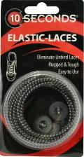

 |  |  |  |  |  |  |  |  |  |  |  |  |  |  |  |  |  | `

 |  |  |  |  |  |  |  |  |  |  |  |  | Super |  | Stars &
New Reflective Elastic Elastic |  |  |  |  |  |  | Tie Dye |  | Flat Reflective |  |  |  | Reflective |  | Stripes
 |  |  |  |  |  |  |  |  |  |  |  |  |  |  |  |  | 11

PINK Products
Pink Products
for
Breast Cancer Awareness

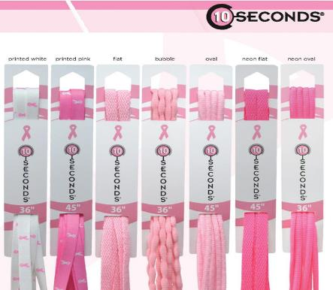
PINK LACES - HANG TAG
(Laces must be ordered in multiples of 6 pairs)
Item No. | UPC | Style | Color | Size | Units Case | MSRP | Unit Cost | Units Ord'd | Total
73540 | 041468735400 | Flat Athletic Printed Lace | Pink on White | 36 | 6 | $3.99 | $1.25 |  | $0.00
73550 | 041468735509 | Flat Athletic Printed Lace | Pink on White | 45 | 6 | $3.99 | $1.25 |  | $0.00
73581 | 041468735813 | Flat Athletic Printed Lace | Pink on White | 54 | 6 | $3.99 | $1.25 |  | $0.00
73541 | 041468735417 | Flat Athletic Printed Lace | White on Pink | 36 | 6 | $3.99 | $1.25 |  | $0.00
73551 | 041468735516 | Flat Athletic Printed Lace | White on Pink | 45 | 6 | $3.99 | $1.25 |  | $0.00
73582 | 041468735820 | Flat Athletic Printed Lace | White on Pink | 54 | 6 | $3.99 | $1.25 |  | $0.00
73542 | 041468735424 | Flat Athletic Lace | Pink | 36 | 6 | $2.00 | $0.60 |  | $0.00
73552 | 041468735523 | Flat Athletic Lace | Pink | 45 | 6 | $2.00 | $0.60 |  | $0.00
48728 | 041468487286 | Flat Athletic Lace | Pink | 54 | 6 | $2.00 | $0.60 |  | $0.00
48812 | 041468488122 | Flat Athletic Lace | Pink | 63 | 6 | $2.00 | $0.60 |  | $0.00
73545 | 041468735455 | Flat Athletic Lace | Neon Pink | 36 | 6 | $2.00 | $0.60 |  | $0.00
73555 | 041468735554 | Flat Athletic Lace | Neon Pink | 45 | 6 | $2.00 | $0.60 |  | $0.00
48747 | 041468487477 | Flat Athletic Lace | Neon Pink | 54 | 6 | $2.00 | $0.60 |  | $0.00
48751 | 041468487514 | Flat Athletic Lace | Neon Pink | 63 | 6 | $2.00 | $0.60 |  | $0.00
73543 | 041468735431 | Bubble Lace | Pink | 36 | 6 | $3.99 | $1.00 |  | $0.00
73553 | 041468735530 | Bubble Lace | Pink | 45 | 6 | $3.99 | $1.00 |  | $0.00
40547 | 041468405471 | Bubble Lace | Pink | 54 | 6 | $3.99 | $1.00 |  | $0.00
40637 | 041468406379 | Bubble Lace | Pink | 63 | 6 | $3.99 | $1.00 |  | $0.00
73544 | 041468735448 | Oval Lace | Pink | 36 | 6 | $2.99 | $0.85 |  | $0.00
73556 | 041468735561 | Oval Lace | Pink | 45 | 6 | $2.99 | $0.85 |  | $0.00
31512 | 041468315121 | Oval Lace | Pink | 54 | 6 | $2.99 | $0.85 |  | $0.00
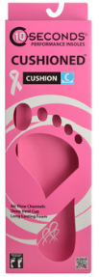
31864 | 041468318641 | Oval Lace | Pink | 63 | 6 | $2.99 | $0.85 |  | $0.00
73546 | 041468735462 | Oval Lace | Neon Pink | 36 | 6 | $2.99 | $0.85 |  | $0.00
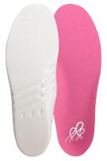
73554 | 041468735547 | Oval Lace | Neon Pink | 45 | 6 | $2.99 | $0.85 |  | $0.00
31849 | 041468318498 | Oval Lace | Neon Pink | 54 | 6 | $2.99 | $0.85 |  | $0.00
31867 | 041468318672 | Oval Lace | Neon Pink | 63 | 6 | $2.99 | $0.85 |  | $0.00
31867 | 041468318672 | Oval Lace | Neon Pink | 63 | 6 | $2.99 | $0.85 |  | $0.00
CUSHION INSOLE
Extra deep heel cup cushions the foot naturally, utilizing cushioning tissues in the foot.
Air Flow channels molded into the shape of the arch move warm air out and draw cooler air in.
Shock absorbent polyurethane foam delivers long-lasting cushioned comfort.
PVC - LATEX - EVA FREE INSOLE
Recommended by college and professional team trainers.
Item No. | UPC | Size |  |  |  | MSRP | Unit Cost | Units Ord'd | Total
03135 | 041468031359 | M5, W6.5 |  |  |  | $15.00 | $6.50 |  | $0.00
03136 | 041468031366 | M7, W8.5 |  |  |  | $15.00 | $6.50 |  | $0.00
03137 | 041468031373 | M9, W10.5 |  |  |  | $15.00 | $6.50 |  | $0.00 |  |  |  | Cushioned Insole with
 |  |  |  |  |  |  |  |  |  |  |  |  | non-slip top cover
FOOTBALL CLEATS
Item No. | UPC | Description | Color | Size | Units Case | MSRP | Unit Cost | Units Ord'd | Total
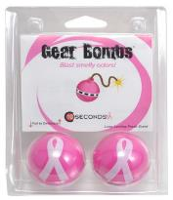
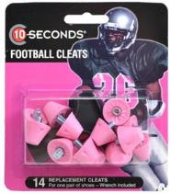
69903TS | 041468699030 | Football Cleats | Light Pink | 1/2" | 6 | $5.00 | $2.50 |  | $0.00
69904TS | 041468699047 | Football Cleats | Dark Pink | 1/2" | 6 | $5.00 | $2.50 |  | $0.00

GEAR BOMBS
Item No. | UPC | Description | Color | Size | Units Case | MSRP | Unit Cost | Units Ord'd | Total
97749 | 041468977497 | Pink Ribbon Gear Bombs | Pink |  | 12 | $5.99 | $2.50 |  | $0.00
 |  |  |  |  | PAGE TOTALS |  |  | 0 | $0.00

Gear Bombs blast smelly odors! They knock out odor in shoes, lockers, gym bags, glove
compartments, closets and anywhere odors exist, leaving a clean, fresh scent that lasts for
 | months. Just pull the bomb apart in the center to activate and say good-bye to bad smells.
 |  |  |  |  |  |  |  |  |  | Pink Ribbon Gear Bombs |  |  | 1/2" Pink Football Cleats


 |  |  |  |  |  |  |  |  |  |  |  | October
 |  |  |  |  |  |  |  |  |  |  |  | is
 |  |  |  |  |  |  |  |  |  |  |  | National Breast Cancer
 |  |  |  |  |  |  |  |  |  |  |  | Awareness Month

 |  |  |  |  |  |  |  |  |  |  | (These products are also available year-round)

 |  |  |  |  |  |  |  |  |  |  |  |  |  | 12

